Hoja1
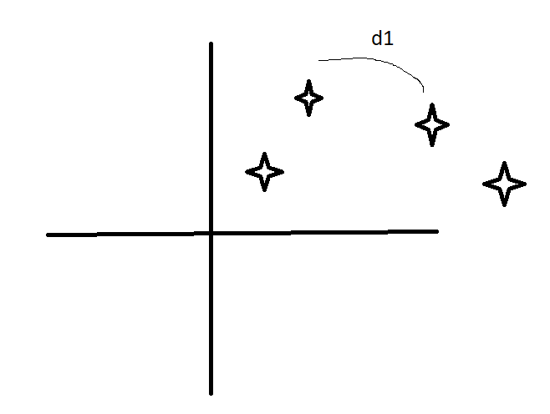
C1
C2

2
3
1
4
 | 1 | 2 | 3 | 4
1 | 0 | 2 | 4 | 6
2 | 2 | 0 | 3 | 5
3 | 4 | 3 | 0 | 2
4 | 6 | 5 | 2 | 0

 | C1 | C2
C1 | 0 | 3 |  | SINGLE LINK
C2 | 3 | 0

 | C1 | C2
C1 | 0 | 6 |  | COMPLETE LINK
C2 | 6 | 0

